Furniture List
WCN 2025 |  |  | The 26th World Congress of Neurology International Conference

** Rental periods within 1-5 days

Table set | TA-01B | TA-02A | TA-03A | TA-07 | TA-02B | TA-14A
 | 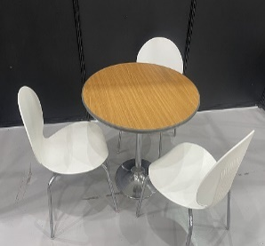 |  | 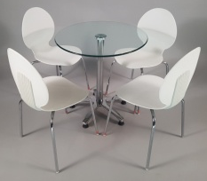 | 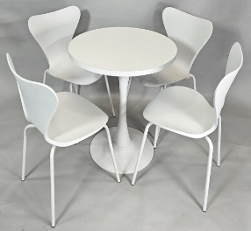 | 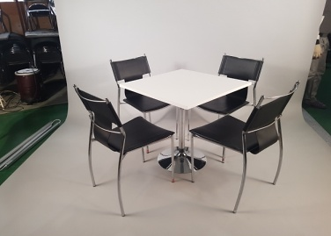 | 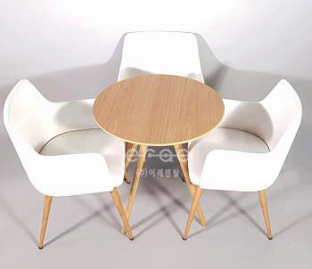
 | Round table set B | Round Easy Chair SET | Glass Easy Chair set | Modern Round Seven Chair SET | Square Meeting Chair set | DesignWood Cube arm chair Set
 | ₩120,000 | ₩150,000 | ₩165,000 | ₩210,000 | ₩165,000 | ₩300,000

 | CH-03 | CH-01 | CH-02A | CH-05A | CH-14A | CH-30C
Chair | 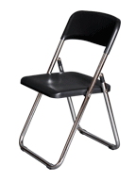 | 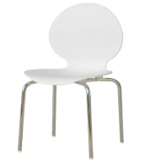 | 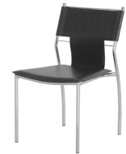 | 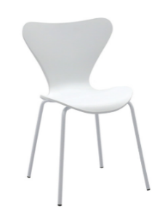 |  | 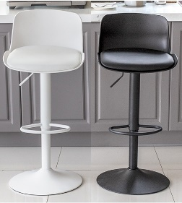
 | Folding chair | Easy Chair | Meeting Chair | Seven Chair (Venus Chair) | Cube arm chair (Design chair E) | Uni Bar Stool
 | W450*D420*H780 | W440*D430*H830 | W410*D510*H810 | W550*D560*H820 | W530*D570*H800 | W440*D440*H820~1025
 | ₩15,000.00 | ₩25,000.00 | ₩30,000.00 | ₩35,000.00 | ₩80,000.00 | ₩55,000.00

Tables | RT-01A | RT02-A,B | ST-01B | RT-04 | MT-01 | ST-09C/ST-07C
 | 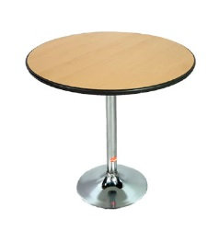 | 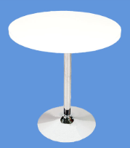 | 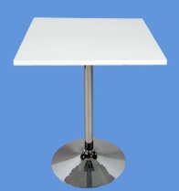 |  | 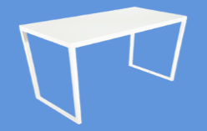
 | ROUND TABLE(Wood) | ROUND TABLE(White) | SQUARE MEETING TABLE B | Round GLASS TABLE | Modern SquareTable | EVENT TABLE
 | Ø700*H730 | Ø600/Ø700 * H 730 | W700*D700*H730 | Ø700*H730 | W1200*D600*H750 | W1200*D600*H750 W1800*D600*H750
 | ₩55,000 | ₩60,000 | ₩60,000 | ₩75,000 | ₩100,000 | ₩55,000

H 735 / H 990
265
735
235
500
265
W1000 / W1500 / W2000
250
750
W1000 / W1500 / W2000
Display 1 | DA-01/DA-05 | DA-02 | DA-03 | DA-07 | DB-01(A,B,C) | DB-02(A,B,C)
 |  | 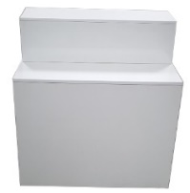 | 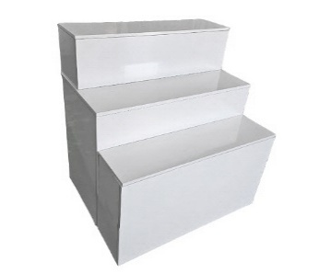 |  |  | 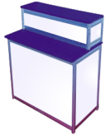
 | Premium DISPLAY A, B | Premium DISPLAY 1M-2 | Premium DISPLAY 1M-3 | Premium Infor | DISPLAY BASE 1M/1.5M/2M | DISPLAY BASE 1M-2/1.5M-2/2M-2
 | W1000*D530*H735/990 | W1000*D530*H1000 | W1000*D900*H1000 | W900*D500*H1000 | (W1000)*D600*H750 | (W1000)*D600*H1000
 | 90,000/120,000 | ₩140,000 | ₩200,000 | ₩270,000 | 50,000/75,000/100,000 | 90,000/120,000/150,000

H 750 / H 950
Display 2 | DA-09 | DB-17 | DA-10(A,B,C) | DB-16 | DB-18 | DB-22
 | 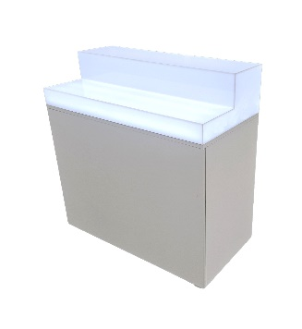 |  | 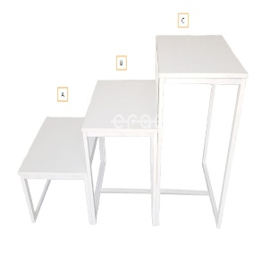
 | Premium Lighting DISPLAY BASE 1M 2F | CUBE DISPLAY BASE | Morden Display 3step | LED Display Base | style shelf | Shelf unit
 | W1000*D500*H985 | W400*D400*H817 | W600*D600*H400~ | W400*D400*H750/H950 Square Acrylic Separately | W600*D350*H1480 | W700*D300*H1850
 | ₩240,000 | ₩90,000 | 75,000 each | ₩200,000 | ₩60,000 | ₩100,000

Display 3 | DB-08 | DB-09A | DB-10A | DB-10B | DB-12B | DB-14
 | 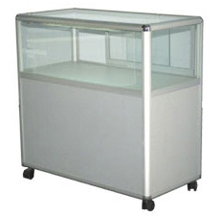 | 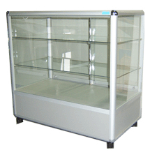 |  |  | 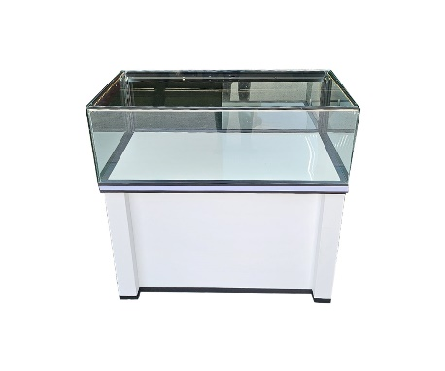
 | DISPLAY SHOWCASE(900) | DISPLAY SHOWCASE 3Step A | LED Hi-DISPLAY SHOWCASE(500) | LED Hi-DISPLAY SHOWCASE(900) | DISPLAY SHOWCASE C (White) | LED Showcase A
 | W900*D550*H995 Lock not included | W900*D550*H990 Lock not included | W500*D500*H1850 | W900*D500*H1850 | W963*D540*H1000 | W900*D300*H1890
 | ₩120,000 | ₩150,000 | ₩220,000 | ₩350,000 | ₩240,000 | ₩300,000

Equipment 1 | OF-03 | DB-04B | DB-04A | ET-01 | ET-02 | ET-03B
 | 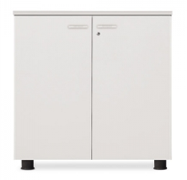 |  | 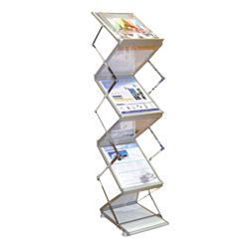 | 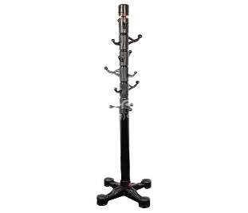
 | Storage Unit | CATALOGUE HOLDER B | CATALOGUE HOLDER A | STAND HANGER | HANGER | GUARD RAIL ALL BLACK(Belt Type)
 | W800*D420*H800 | W270*H1400 | W300*H1500 | W480*H1770 | W1200*H1000*1500 | ø1200~2000*H950
 | ₩120,000 | ₩50,000 | ₩60,000 | ₩40,000 | ₩70,000 | ₩70,000

Equipment 2 | ET-05 | ET-32 | ET-29 | ET-21 | FF-13 | FF-05A
 | 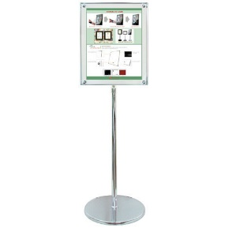 | 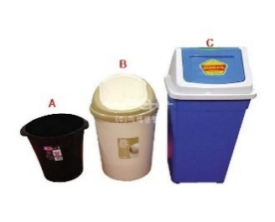 | 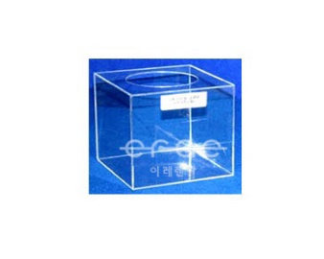 | 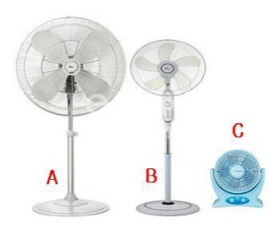 | 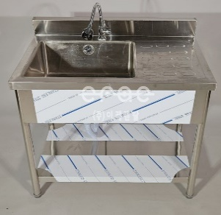
 | SPEC STAND(foam type) | Waste basket(A,B,C) | Card Case (Acrylic) | FAN | SINK UNIT D | Cold Water Heater(Water 1 bottle including)
 | W150*H150 | 10L/20L/45L | W300*D300*H300 | Industrial type/Stand type/ Desk type | W900*D600*H900 | W320*D320*H1370
 | ₩38,000 | 10,000/18,000/25,000 | ₩45,000 | 250,000/75,000/45,000 | ₩150,000 | ₩80,000

 | ※ Remark
 | * This order can be secured when the customer has confirm the invoice
 | * The payment should be made at least 10 days before the show opens.
 | * If the payment is not made, the order might be cancelled.
 | * Any bank charges must be borne by the customer
 | * Images and prices of these products are subject to change without notice.

